Board Stack Report
Board Stack Report
Stack Up |  | Layer Stack
Layer | Board Layer Stack | Name | Material | Thickness | Constant
1 | 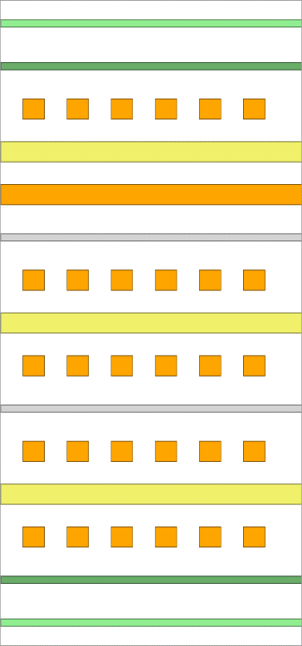 | Top Paste
2 |  | Top Overlay
3 |  | Top Solder | Solder Resist | 0,020mm | 3,5
4 |  | L1_Top | Copper | 0,042mm
5 |  | Dielectric1 | FR-4 | 0,254mm | 4,2
6 |  | L2_GND | Copper | 0,036mm
7 |  | Dielectric 9 | FR-4 | 0,127mm | 4,2
8 |  | L3_Signal | Copper | 0,035mm
9 |  | Dielectric 10 |  | 0,254mm | 4,2
10 |  | L4_Signal2 | Copper | 0,035mm
11 |  | Dielectric 11 |  | 0,127mm | 4,2
12 |  | L5_Signal3 | Copper | 0,036mm
13 |  | Dielectric2 | FR-4 | 0,254mm | 4,2
14 |  | L6_Bottom | Copper | 0,042mm
15 |  | Bottom Solder | Solder Resist | 0,020mm | 3,5
16 |  | Bottom Overlay
17 |  | Bottom Paste
 | Height : 1,282mm

